1. Title Page
[Project Name]

Project Name: Instacart Grocery Basket Analysis
Date: June 2021
Analyst Name: Emilia Slav

Contents:
Population Flow
Consistency checks
Wrangling steps
Column derivations
Visualizations
Recommendations

2. Population Flow
Title page

Population flow
Exclusion flag
Condition: max_order < 5
Obervations to be removed: 29,630
Final total count of order_products_all: 32,404,859

Total: 32,404,859
Total: 32,434,489
Orders_products_all
Orders_products_combined
Orders_products_merged

Total: 32,404,859

1.) The grey boxes in the first row of the population flow represent the original data sets as they were when you downloaded them. In the Total fields you need to add the count of the rows when you imported the data set into Jupyter.
2.) The second row of boxes (coloured) represents the data sets after you manipulated them, e.g., removed missing values and duplicates. In the Total fields you need to add the count of the rows after conducting these operations. This offers a visual oveview of how the data flows throughout the data consistency checks.
3.) The third row, where also the arrows are coloured, represents the merges you performed between the datasets. In the Total fields you need to add the count of the rows in the merged datasets, so that you end up with the final dataset (in the red box). Keep in mind the final dataset should be without exclusions (based on the exclusion flag).

3. Consistency checks
 |  |  |  | Title page
Consistency checks

Dataset | Missing values | Missing values treatment | Duplicates
orders | 206209 | New variabled created to flag missing value rows as New/First time customers | 0
products | 16 | Values removed | 5
orders_products_prior | 0 | N/A | 0
customers | 11259 | N/A | 0

4. Wrangling steps
 |  |  |  | Title page
Wrangling steps

Columns dropped | Columns renamed | Columns' type changed | Comment/Reason
Eval_set' |  |  | Irrelevant information
 | order_dow' : 'orders_day_of_week' |  | Unclear wording
 |  | order_id' to string | numeric values, but are need to be treated as decriptive values
 | order_number' : 'customer_order_number' |  | number refers to the number of orders the customer has placed, not overall instacart order number
'Unnamed: 0' |  |  | additional index from previous merge
'_merge' |  |  | merge column from previous merge
Unnamed: 0' |  |  | additional index from previous merge
'Unnamed: 0.1' |  |  | additional index from previous merge
 | 'Gender' : 'gender' |  | renamed to keep column naming consistent
Customers df: First Name |  |  | PII, removed to protect customers information
Customers df: Surname |  |  | PII, removed to protect customers information
 | 'fam_status' : 'marital_status' |  | renamed to keep column naming consistent
df_pet: Pet Order Flag |  |  | Column no longer needed after 'Pet Owner' column created
df_baby: Baby Order Flag |  |  | Column no longer needed after 'Baby Household' column created
 | Customers df: 'n_dependants' |  | Changed to 'number_dependants' for more descriptive title
 | Customers df: 'fam_status' |  | Changed to 'marital_status' for more descriptive title
 | Customers df: 'STATE' |  | Changed to 'State' so column follows capitilization format of other columns
 | Customers df: 'Age' |  | Changed to 'Customer_Age' for more descriptive title

5. Column derivations
 |  |  |  | Title page

Column derivations and aggregations

In this tab you should add tables below that the frequences of flags/label variables that you produced after deriving them. NB: don't do this for continuous variables, only for flags.
Dataset | New column | Column/s it was derived from | Conditions
Orders_Products_Merged | Price_Range_loc | prices | Price>15 results in High-range, Price <=15 but >5 results in Mid-range, Price =<5 results in Low-range
Orders_Products_Merged | busiest_day | orders_day_of_week | Day 0 is busiest, Day 4 is Least busiest, all others are Regularly busy
Orders_Products_Merged | busiest_days (plural now) | orders_day_of_week | Day 0 & 1 are busiest, Day 3 & 4 are Least busiest, all others are Regularly busy
Orders_Products_Merged | busiest_period_of_day | order_hour_of_day | Hour <= 5 results in Fewest orders, Hour >=10 and <=15 result in Most Orders, Hour >=6, <=9, 12 or >=16 result in Average Orders
Orders_Products_Merged | loyalty_flag | max_order | Max order >40 is loyal customer, Max order >10 & <=40 is Regular customer, Max order <=10 is New Customer
Orders_Products_Merged | frequent_customer_flag | order_frequency | Frequency >20 is Non-frequent, Frequency >10 & <=20 is Regular, Frequency <=10 is Frequent
Orders_Products_All | Region | State | Created four regions based on list of States
Orders_Products_All | Activity_Flag | order_number | Order number <5 is Low Activity, Order number >=5 is High Activity
Orders_Products_All | Parent_Status | customer_age & number_dependants | Created four parent categories based on two variables
Orders_Products_All | Income Level | income | Created three income categories based on income
Orders_Products_All | Pet Owner | Pet Order Flag | Aggregated orders in pet department to create flag, used flag to create pet owner column
Orders_Products_All | Baby Household | Baby Order Flag | Aggregated orders in baby department to create flag, used flag to create baby household column

6. Visualizations
 |  |  |  |  |  |  |  |  |  | Title page

Visualisations

In this tab you should include all the visualtions from Exercises 4.9 and 4.10, alongside the questions from the project brief that they answer. Include any commentary on the relationship between different variables.

When are the busiest hours of the day and the busiest days of the week?

 |  |  | Number of Orders Placed Each Day |  |  |  |  |  |  |  | Number of Orders Placed Each Hour



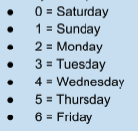

 | The graph shows that Saturday and Sunday are the most popular time for placing orders |  |  |  |  |  |  |  |  | Orders are most commonly placed between 9 am and 4 pm

 |  |  |  |  |  |  |  | Is there a connection between age and spending power?

 |  |  |  |  |  | Average Income by Age

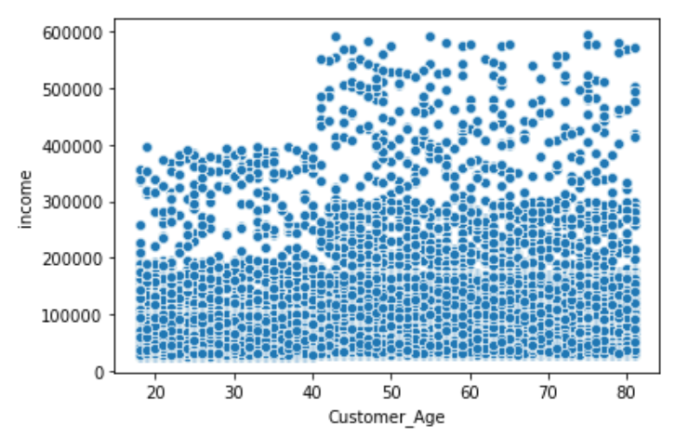

Income sees an evident increase once customers reach the age of 40. It remains fairly consistent between the ages of 40 to 80 & is fairly consistent between the ages of 16-40.

 | Are there times of the day that customers spend the most money? |  |  |  |  |  |  |  | In terms of loyalty, what category of customers placed the greatest number of orders? | In terms of loyalty, what category of customers placed the greatest number of orders?
 |  | Average Price of Products Bought per Hour |  |  |  |  |  |  |  |  | Average Price of Products Bought by Each Loyalty Group
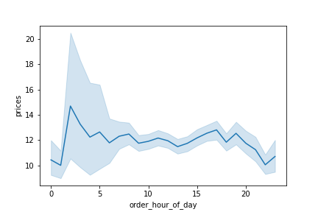
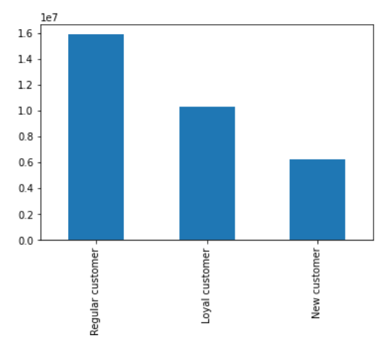

Customers appear to purchase the most expensive items at 2am while the least expensive items are purchased between 10pm - 1am.

 |  |  |  |  |  |  | What is the distribution of customer profiles?

 |  |  |  | Pet Owners |  |  |  |  | Income Level

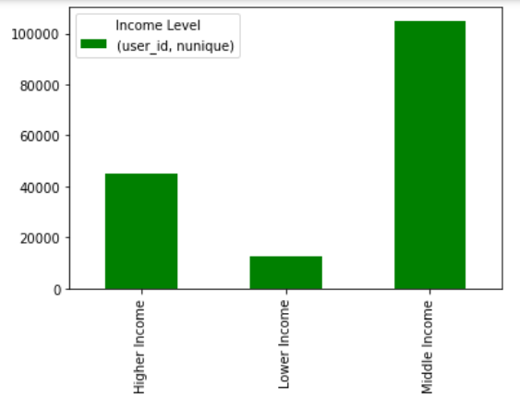
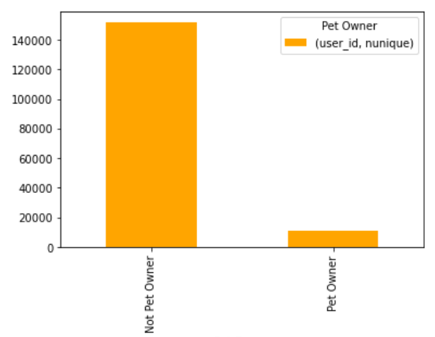

Middle income families make up more than 50%, followed by higher income families. Lower income families make up the smallest percentage of our customers.
The number of non-pet owners are more than 7 times the amount of pet owners.

 |  |  |  | Parental Status |  |  |  |  |  |  |  | Baby Household

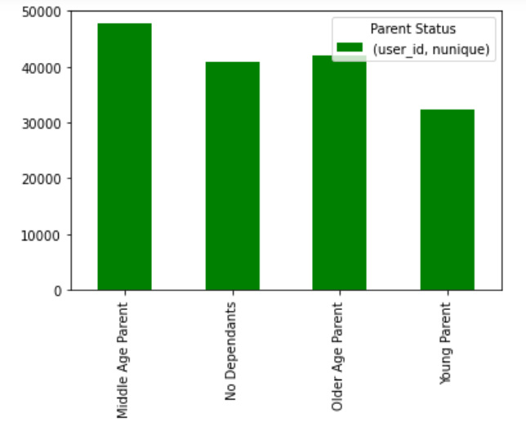
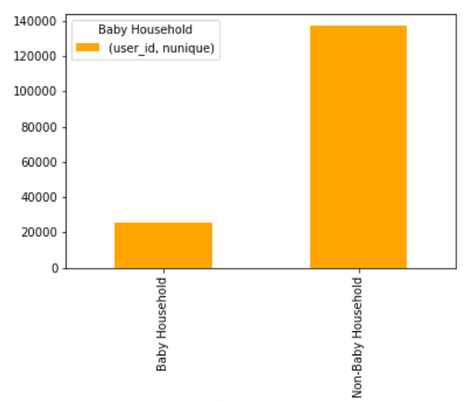

The number of non-baby households are roughly 7 times the amount of baby households.
Middle-aged parents make up the largest percentage of customers closely followed by older-aged parents, then customers with no dependents and finally young parents.

 |  |  |  |  |  |  |  | What is the distribution of customer profiles among regions?

 |  |  | Pet Owner by region |  |  |  |  |  |  |  |  |  | Income Level
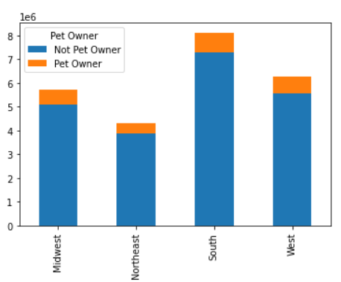
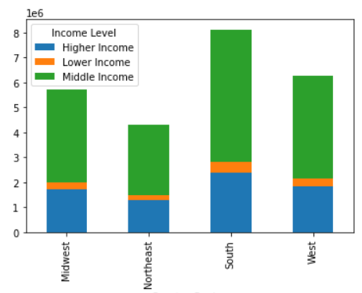

Pet owners are clearly less common in all regions. The Midwest, Northeast & West all have more than 50% non pet owners. The South has the highest percentage of non pet owners.
Lower income customers is the lowest for each region. Middle income customers make up the largest proportion.

 |  |  |  | Parental Status |  |  |  |  |  |  |  |  | Baby Household
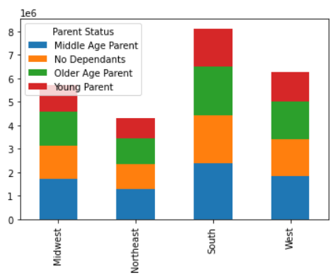
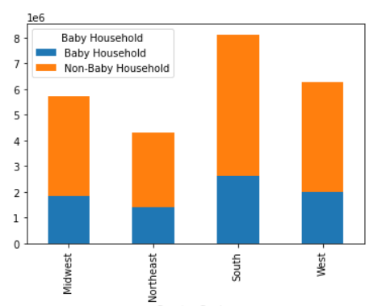

'No dependents' customers make up 25% of each region while 'young parents' make up 20% of each region. 'Middle aged' make up the largest percentage in the 29-30% range while 'older aged' make up the second largest percentage at 25-26%.
All regions have equal proportions of baby households (32%) versus non baby households (68%).

 |  |  |  |  |  |  |  | What is the distribution of customer profiles among departments?

 |  |  |  |  | Pet Owners |  |  |  |  |  | Income Level
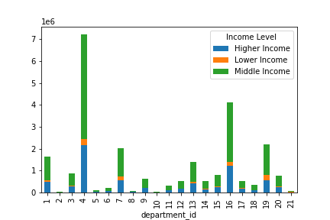
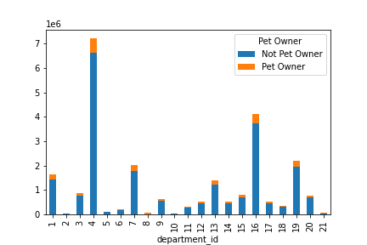

Higher Income always make up the largest percentage followed by Middle Income then Lower Income.

Pet owners consistently make up 8-12% of all departments while of course making up 100% of department 8 (pets).

 |  | Parent Status |  |  |  |  |  |  |  |  |  | Baby Household
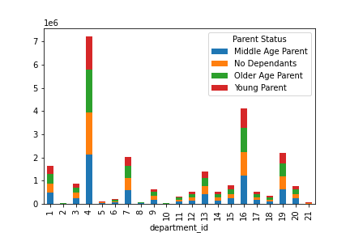
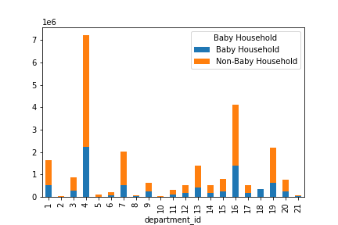

'Middle aged' customers make up the largest percentage in every department ranging rom. 'No dependents' & 'older aged' customers alternate between the second & third largest percentages in each department 'Young parents' are the smallest percentage in each department.
Baby households consistently make up 29-34% of all departments.

7. Recommendations
Recommendations

In this tab you should include any recommendations you would made to Instcart in terms of their marketing strategy based on the questions posed in the brief. Every key question has been covered in the Tasks of the Exercises - here you need to add an item - a visualisation or table/crosstable that is showing the answer in the data, acompanied by a comment from you. Please, list the questions below and add the answer underneath.

Questions | Answers | Vizualizations

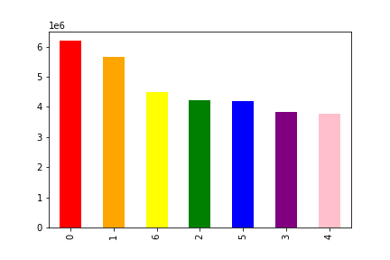
 |  | Number of Orders Placed Each Day Number of Orders Placed Each Hour
The sales team needs to know what the busiest days of the week and hours of the day are (i.e., the days and times with the most orders) in order to schedule ads at times when there are fewer orders. | Ads should be scheduled for mid-week in the early morning(before 9 am) or the late afternoon (after 6 pm).

 |  | Average Price of Products Purchased Each

The sales team also want to know whether there are particular times of the day when people spend the most money, as this might inform the type of products they advertise at these times. | Since the time that is most spent is at 2 am, recommendations would be to still focus on the time periods that are the most steady to push for an increase in customer purchses. Strongly recommended will be focusing advertising on the 2nd & 3rd highest paid times of 6am & 5pm.

 |  | Number of Products in Each Price Category
Instacart has a lot of products with different price tags. Marketing and sales want to use simpler price range groupings to help direct their efforts. | The products can be categorised as: "Low-range priced product" when it is $5 or less, "Mid-range priced product" when it is $15 or less and over $5, and "High-range priced product" when it costs over $15.

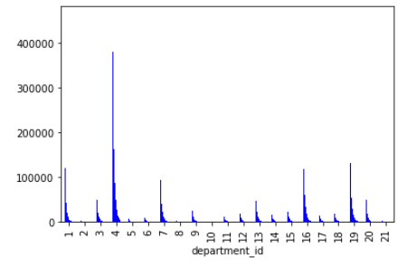
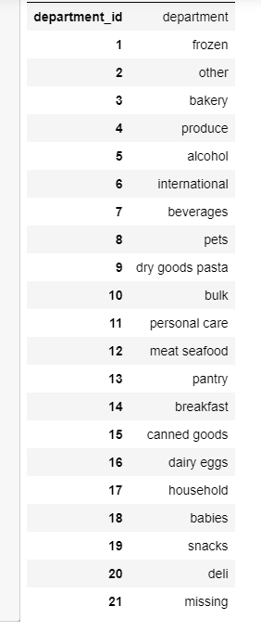
 |  | Number of Orders Placed in Each Department
Are there certain types of products that are more popular than others? The marketing and sales teams want to know which departments have the highest frequency of product orders. | As the graphic show, produce is by far the most popular department followed by snacks, dairy/eggs, frozen then beverages.

 |  | Average Price of Products Bought by Each Loyalty Group

In terms of loyalty, what category of customers placed the greatest number of orders? | Marketing efforts should focus on how to change this large percentage of regular customers to loyal ones. Campaigns could also focus on how to retain the small amount of new customers to ensure they become regulars. Possibly offer some bonus or points/reward system to convert more to loyal customers.

What different classifications does the demographic information suggest? Age? Income? Certain types of goods? Family status? | Based on the demographic information provided the following classifications were created: Parent Status (based on age & number of dependents), Income Level, Pet Owner vs Non-Pet Owner and Baby Household vs Non_Baby Household. Countless other classifications can be created depending on the needs of marketing and sales. | Please see Sheet number 6 (Visualizations)

 |  | Distribution of Income Level by Department

What differences can you find in ordering habits of different customer profiles? Consider the price of orders, the frequency of orders, the products customers are ordering, and anything else you can think of. | Lower income consistently make up 4-6% of most departments but this increases greatly in Department 19 (snacks) where they make up 11% (Higher income orders on the otherhand drop to 26% for snacks (the lowest percentage) for higher income)

 | Higher income families tend to shop most frequently while lower income families shop the least frequently.

 | Middle-aged parents have the highest total spend & make up the largest percentage of all customers. | Total Spend by Parent Status
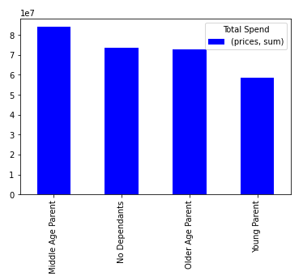
 | Younger parents have the lowest total spend & maek up the smallest percentage of all customers.

 |  | Baby Household

 | Baby households consistently make up 29-34% of all departments.

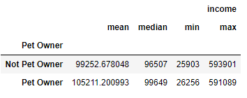
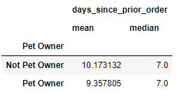

 | Pet owners typically shop more frequently than non-pet owners.

 | Pet owners typically have higher salaries

